Sheet1
 |  | Document No. | Issue No. | Issue Date |  |  | Review and Replace Date |  | Authorised By
 |  | GFF162MC | 5 | 20.03.2020 |  |  | 08.08.2022 |  | Magda Shah
 |  | Document Title | MEXICAN CHICKEN TAQUITOS 85G
Document amendments reason for change |  | Film updated |  |  | Page 1 of 1 |  | Previous Issue Date | 21.12.2021 | Uncontrolled copy unless signed original

CCTAQ-G6T | GAZEBO |  | MEXICAN CHICKEN TAQUITOS 85g
STEP 1 |  |  |  |  |  | STEP 2
 |  |  |  |  |  | 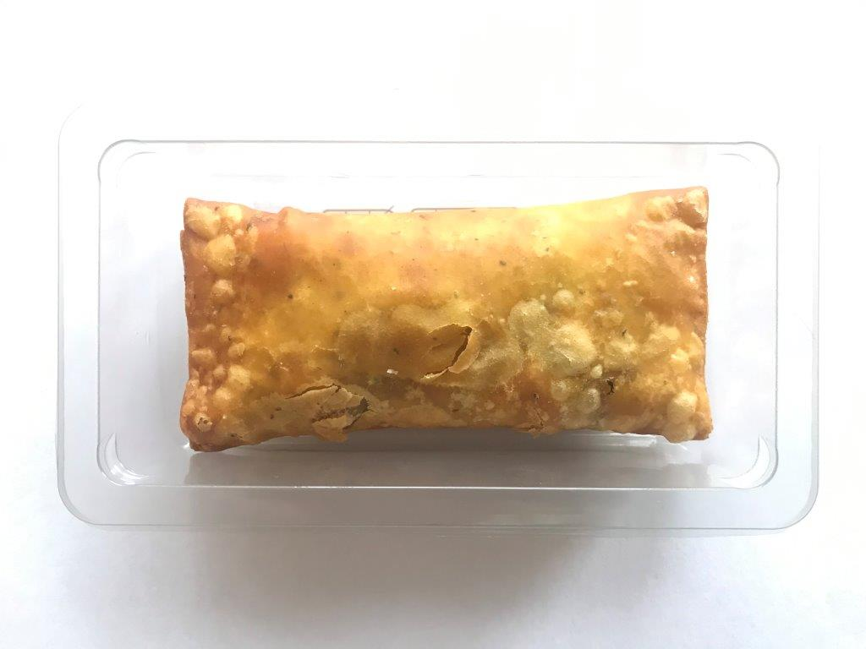

Tray: SINGLE CAVITY/F145 (PKLEE001-05) |  |  |  |  |  | Mexican Chicken Taquitos (GFF300R) 85g |  |  | Total Weight: 85g
Film: K-peel 7G+25A/f-275mm (PKKMP001-03)
ALLERGY ALERT: WHEAT

